Sheet1 (2)
Parameters | Icons | Icon Color | web icon abbreviation | Abbreviation | (Screenshots of Uncertain Abbreviations)
240V AC Output |  |  |  | osa
Ambient Humidity |  |  |  | h
Ambient Temperature |  |  |  | t

Avg Indoor Humidity |  |  |  | h_avg
Avg Indoor Temp |  |  |  | t_avg
Current |  |  |  | current
Duration (Fertilizer) |  |  |  | blkdurfert
 |  |  |  | durtotfert
Duration (Water) |  |  |  | blkdurwtr
 |  |  |  | durtotwtr
Energy Consumption |  |  |  | kvarh_n | 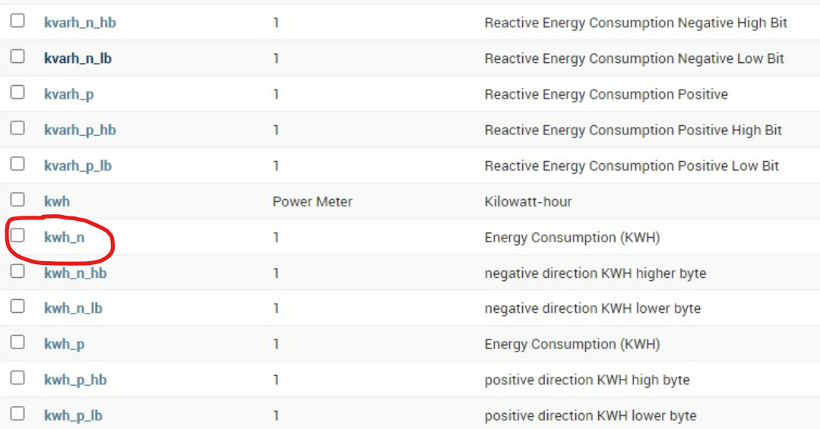
 |  |  |  | kvarh_n_hb
 |  |  |  | kvarh_n_lb
 |  |  |  | kvarh_p
 |  |  |  | kvarh_p_hb
 |  |  |  | kvarh_p_lb
 |  |  |  | kwh
 |  |  |  | kwh_n
 |  |  |  | kwh_n_hb
 |  |  |  | kwh_n_lb
 |  |  |  | kwh_p
 |  |  |  | kwh_p_hb
 |  |  |  | kwh_p_lb
Indoor Humidity | Indoor Humidity (ICON) | blue | ih | h
Indoor Temp | Indoor Temperature (ICON) | green | it | t
 |  |  |  | temp
Indoor VPD | Indoor VPD (ICON) | yellow | ivpd | vpd
 |  |  |  | vpdtot
Is Raining? |  |  |  | io_rain
Last EC Cal |  |  |  | timeoutec
Last pH Cal |  |  |  | timeoutph
LED State |  |  |  | intwhite
Mode | Mode : AUTO / STOP (ICON) | green
 |  |  | mode | mode
 | Status: RUN/STOP |  | status | status
Moisture-1 | Soil moisture: % (ICON) | blue | wet | wet

 | Leaf wetness (ICON) |  | wetleaf | wetleaf
Moisture-2 |  |  |  | wet
 |  |  |  | wet2
 |  |  |  | wetleaf
Moisture-3 |  |  |  | wet
 |  |  |  | wet2
 |  |  |  | wetleaf
Outdoor Humidity | Outdoor humidity (ICON) | blue | oh | h
Outdoor Temp | Outdoor temperature (ICON) | green | ot | t
 |  |  |  | temp
Outdoor VPD | Outdoor VPD (ICON) | yellow | ovpd | vpd
 |  |  |  | vpdtot
PAR |  |  |  | par
 |  |  |  | partot
 |  |  |  | partot_connected
 |  |  |  | partot_derived
Power |  |  |  | pf
 |  |  |  | pfa
 |  |  |  | pfb
 |  |  |  | pfc
 |  |  |  | pft
 |  |  |  | pwa
 |  |  |  | pwb
 |  |  |  | pwc
 |  |  |  | pwt
Pump Pressure | Pump Pressure: kPa/PSI/bar (ICON) | green | pressure | pressure
Barometric Pressure | Barometric : kPa /PSI/bar (ICON) | green | bp | bp
Pump A Status |  |  |  | psa
Pump B Status |  |  |  | pba
Pump State | Pump State : ON / OFF (ICON) | yellow | pump | pump
Pump Status
Rainfall | Rainfall: mm (ICON) | blue |  | rain | 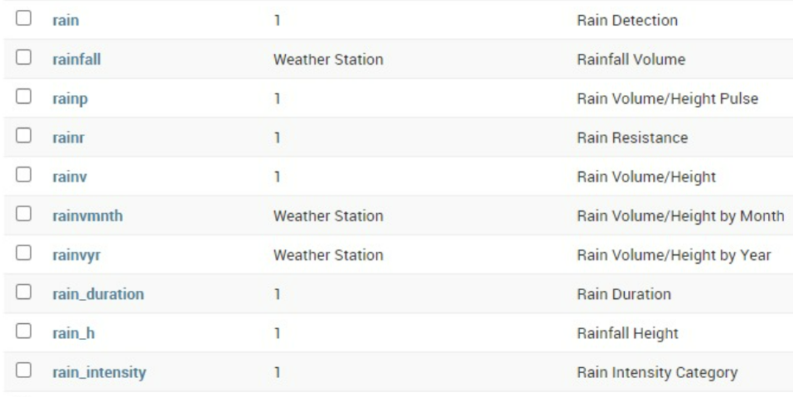
 |  |  | rainfall | rainfall
 |  |  |  | rainp
 |  |  |  | rainr
 |  |  | rainv | rainv
 |  |  |  | rainvmonth
 |  |  |  | rainvyr
 |  |  |  | rain_duration
 |  |  |  | rain_h
 |  |  |  | rain_intensity
Run/Stop |  |  |  | countstop
 |  |  |  | prun
Setting - Blue |  |  |  | intblue
Setting - Infrared |  |  |  | intinfrared
Setting - Red |  |  |  | intred
Setting - White |  |  |  | intwhite
Soil Electrical Conductivity | Soil EC: mS/cm (ICON) | yellow | soilec | ec
Soil pH | Soil pH (ICON) | green | soilph | soilph
Soil Temperature |  | blue | soilt | soilt
 |  |  | st | st
Sun Radiation | Sun Radiation W/m² (ICON) | yellow | par | par
UV | UV : umol/m²/s (ICON) | yellow | uv | uv
Total Radiation | Total Radiation J/cm² (ICON) | blue | partot | partot
Vapor Pressure Deficit |  |  |  | vpd
 |  |  |  | vpdtot
Voltage |  |  |  | v | 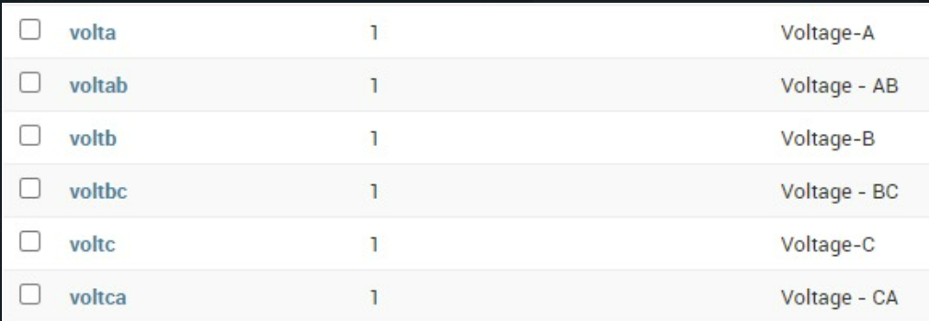
 |  |  |  | volta
 |  |  |  | voltab
 |  |  |  | voltb
 |  |  |  | voltbc
 |  |  |  | voltc
 |  |  |  | voltca
Water Dissolved Oxygen (DO) | DO (Dissolve Oxygen) : ppm (ICON) | blue | do | do
 |  |  |  | do_hb
 |  |  |  | do_lb
Water EC | Liquid EC - mS/cm (ICON) | yellow | ec | ec
Water pH | Liquid pH (ICON) | green | ph | ph
Water Temperature | Liquid Temperature (degree) (ICON) | blue | wt | wt
Wind Speed | Wind speed: km/h (ICON) | blue | ws | ws
Wind Direction | Wind direction : 0-360 (ICON) | green | wd | wd

